Answer Chart
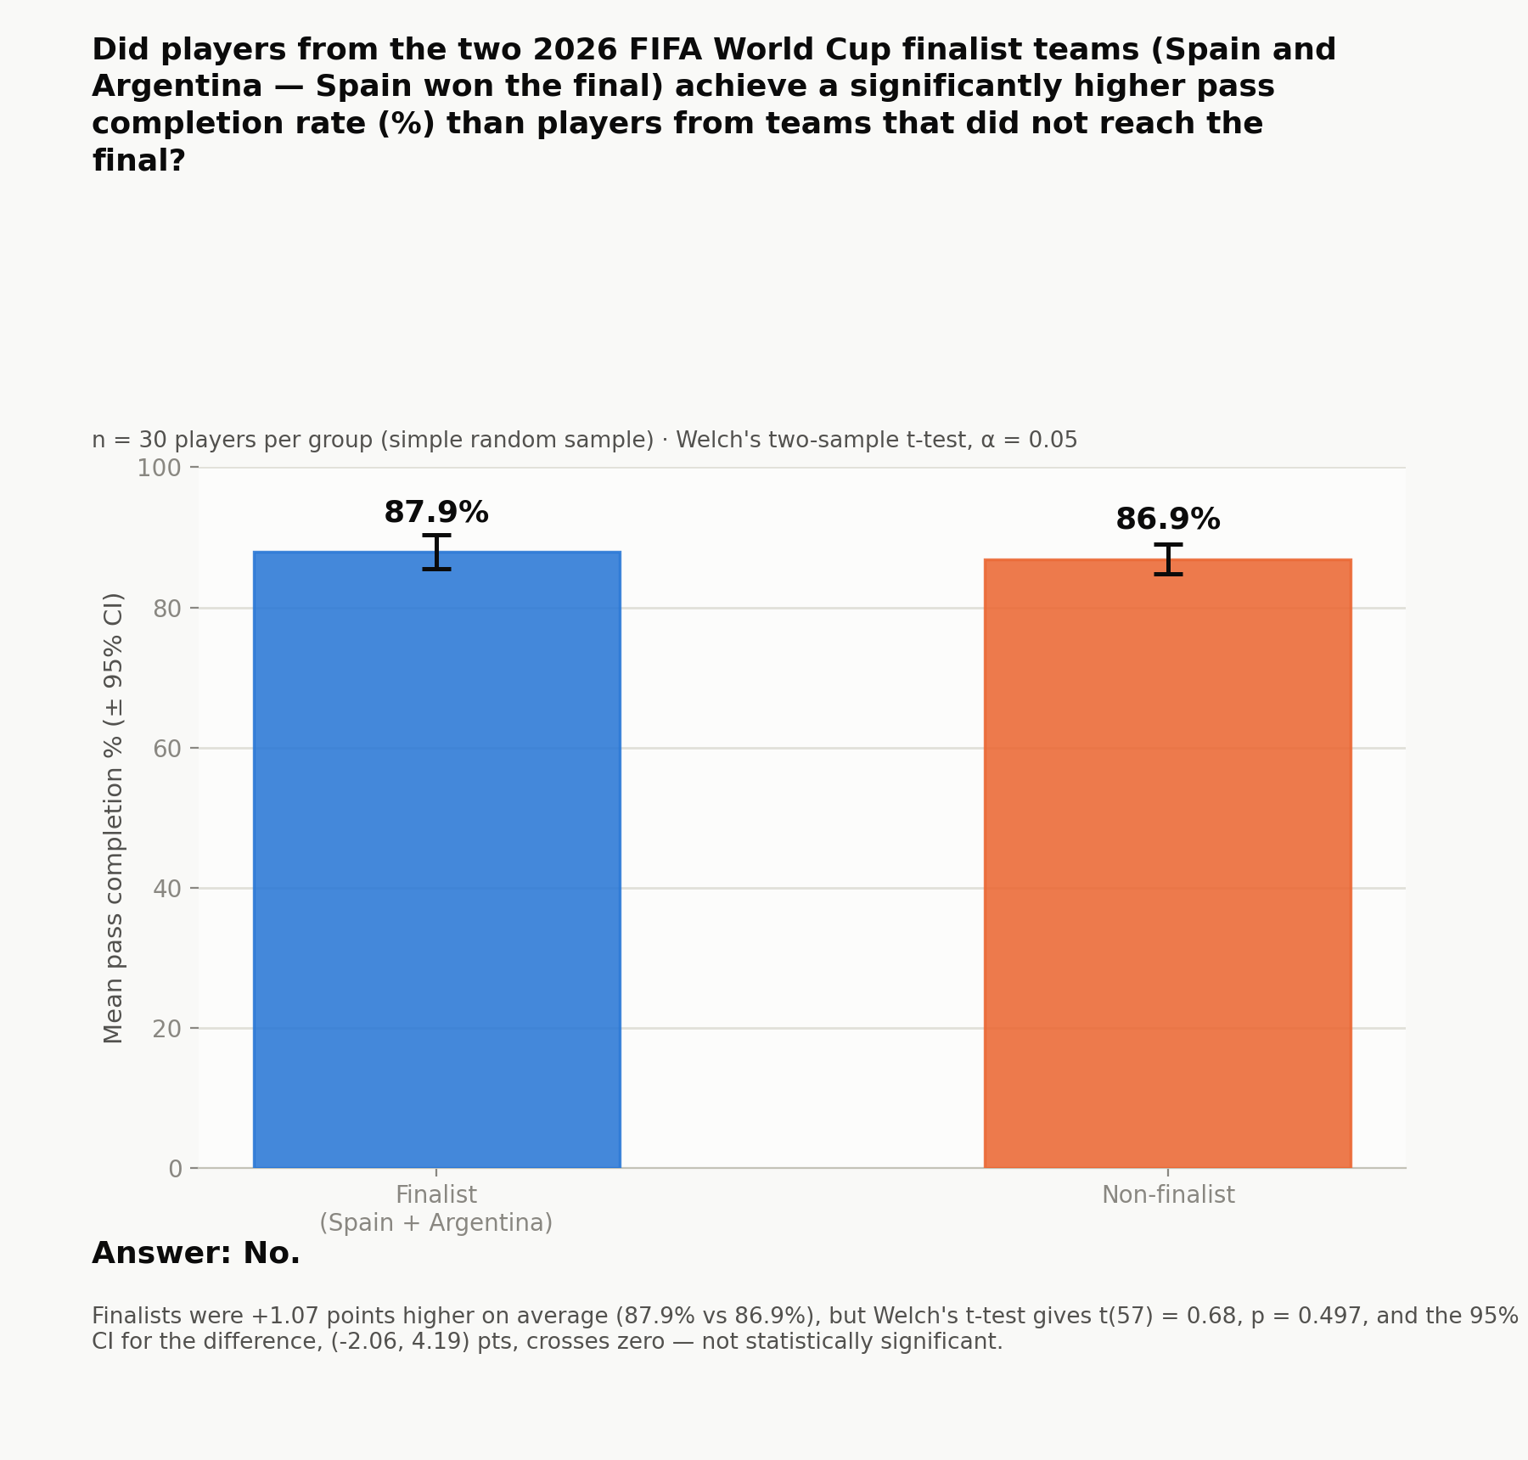
Reference chart (static image, generated in Python/matplotlib)

